실험1
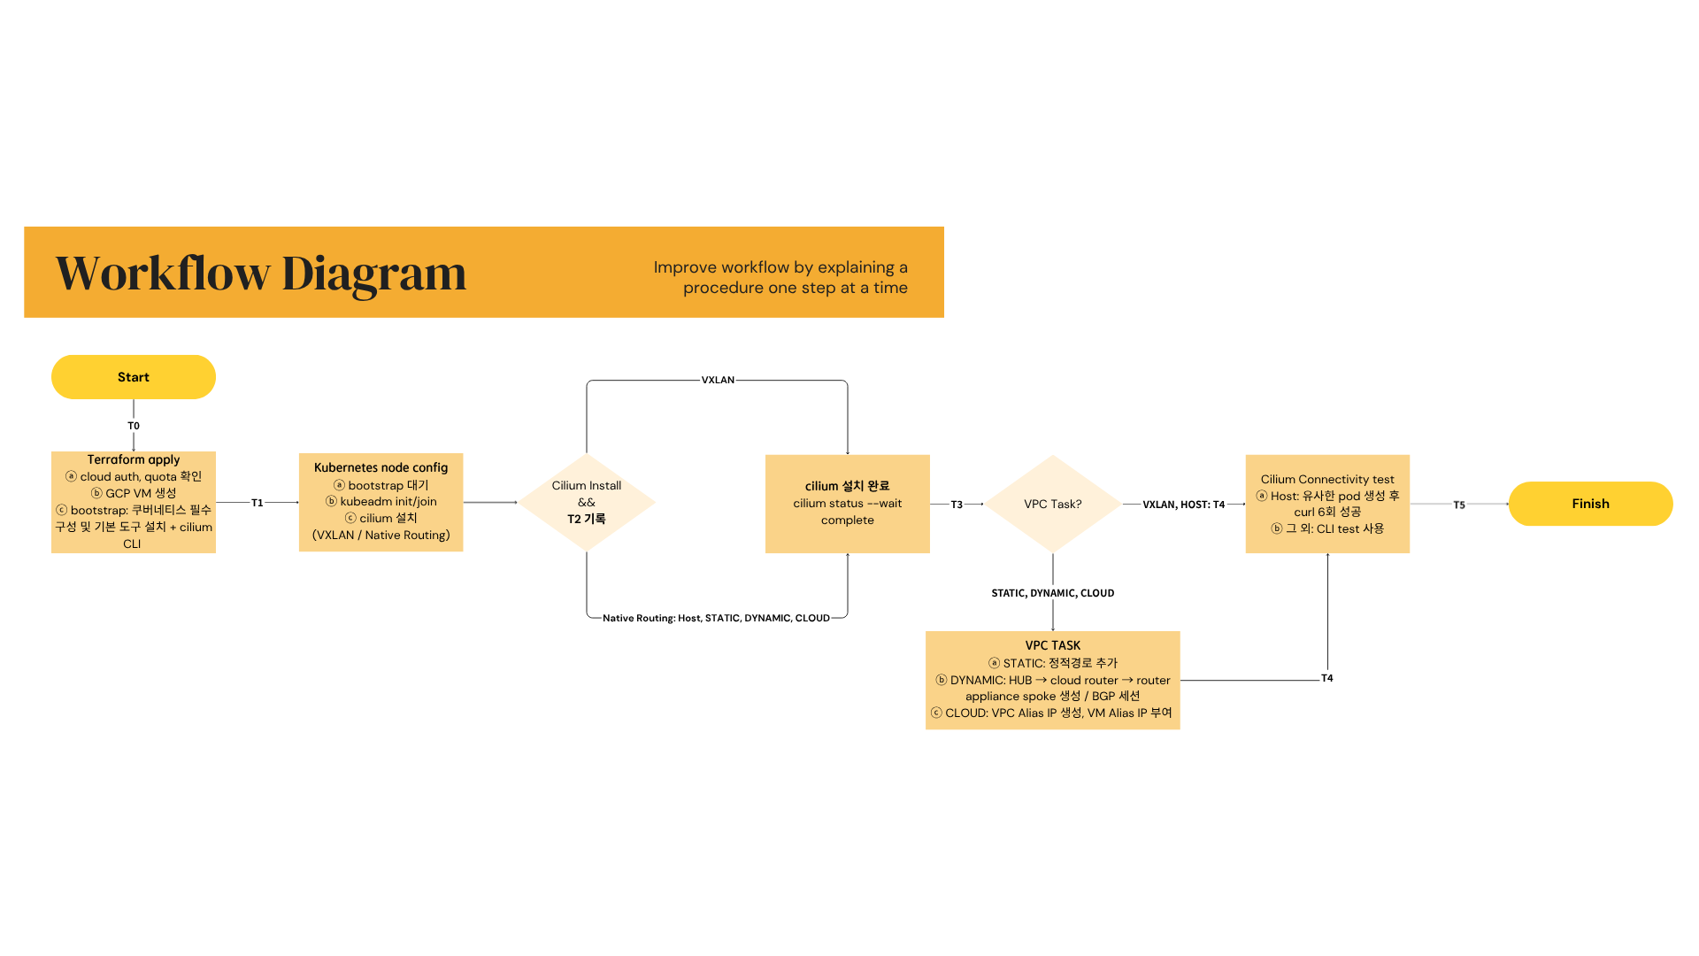
node 4 | T0 - T1 | T1 - T2 | T2 - T3 | T3 - T4 | T4 - T5 | total | (단위: ms)
VXLAN | 40647.382333 | 135213.30533 | 5547.9453333 | 0 | 25711.406 | 207120.039
HOST | 37453.766667 | 127441.73833 | 8773.8656667 | 0 | 11807.931 | 185477.30167
STATIC | 37633.001 | 132846.262 | 7716.0156667 | 78416.466 | 26083.914 | 282695.65867
DYNAMIC | 40581.125 | 132346.342 | 10801.228 | 198104.112 | 30837.824667 | 412670.63167
CLOUD | 40713.486667 | 133984.94 | 6086.5113333 | 62870.594333 | 26417.123667 | 270072.656

node 8 | T0 - T1 | T1 - T2 | T2 - T3 | T3 - T4 | T4 - T5 | total | (단위: ms)
VXLAN | 29472.186667 | 95657.603667 | 6570.8243333 | 0 | 27448.348667 | 159148.96333
HOST | 29480.320333 | 95016.168 | 6568.788 | 0 | 13058.768667 | 144124.045
STATIC | 29275.956333 | 92023.952667 | 6717.918 | 83748.754667 | 27712.018667 | 239478.60033
DYNAMIC | 29399.245667 | 94775.373333 | 7500.3126667 | 95403.209667 | 26554.748333 | 253632.88967
CLOUD | 29588.061333 | 91511.183667 | 8171.8343333 | 53976.348333 | 27257.253 | 210504.68067

